Margin slitter
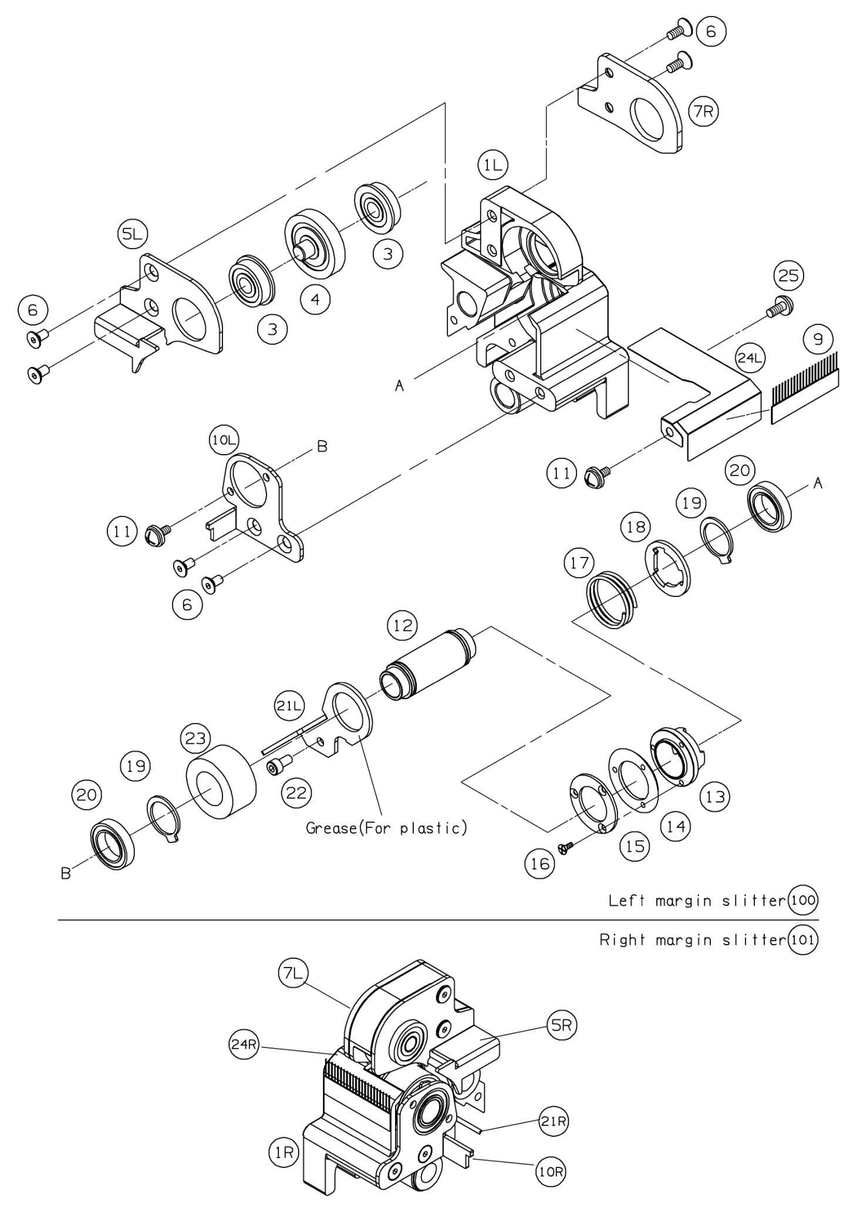
 | Ref. No | Pars No. | Parts name | 適用 | 適用 | Remarks
 |  |  |  | Region | 規格
FALSE | 1R | 13-400 | Slitter block(R)
FALSE | 1L | 13-401 | Slitter block(L)
0 | 2 | 80-046 | Bush
TRUE | 3 | 80-418 | Ball bearing |  |  | FL608ZZ
FALSE | 4 | 61-050 | Slitter blade(Upper)
FALSE | 5R | 7701-0256 | Margin upper lid(R)
FALSE | 5L | 7701-0255 | Margin upper lid(L)
TRUE | 6 | 08-493 | Hexagon socket countersunk head screw |  |  | M4x8
FALSE | 7R | 7701-0254 | Slitter upper lid(R)
FALSE | 7L | 7701-0253 | Slitter upper lid(L)
TRUE | 9 | 72-871 | Anti-static brush |  |  | L47
FALSE | 10R | 7701-0258 | Slitter lower lid(R)
FALSE | 10L | 7701-0257 | Slitter lower lid(L)
FALSE | 11 | 05-996 | Sems screw |  |  | M4x8+SW+W
FALSE | 12 | 7701-0270 | Slitter lower shaft
FALSE | 13 | 51-591 | Slitter lower collar
FALSE | 14 | 61-051 | Slitter blade(Lower)
FALSE | 15 | 7701-0273 51-593 | Slitter lower blade fixed plate
FALSE | 16 | 03-577 | Countersunk head screw |  |  | M2.5x6
FALSE | 17 | 60-199 | Slitter lower blade spring
FALSE | 18 | 7701-0261 | Slitter lower blade stopper
FALSE | 19 | 65-508 | Retaining Rings-C |  |  | #18
FALSE | 20 | 80-430 | Ball bearing |  |  | 6802ZZ
FALSE | 21R | 7701-0266 | Slitter waste outlet(R)
FALSE | 21L | 7701-0265 | Slitter waste outlet(L)
FALSE | 22 | 08-229 | Hexagon socket head cap screw |  |  | M4x8
FALSE | 23 | 55-081 | Urethane collar
FALSE | 24R | 7701-0212 | Slitter cover R
FALSE | 24L | 7701-0211 | Slitter cover L
FALSE | 25 | 02-839 | Truss head screw |  |  | M4x8 Cr
FALSE | 100 |  | Margin slitter L
FALSE | 101 |  | Margin slitter R

Slitter unit
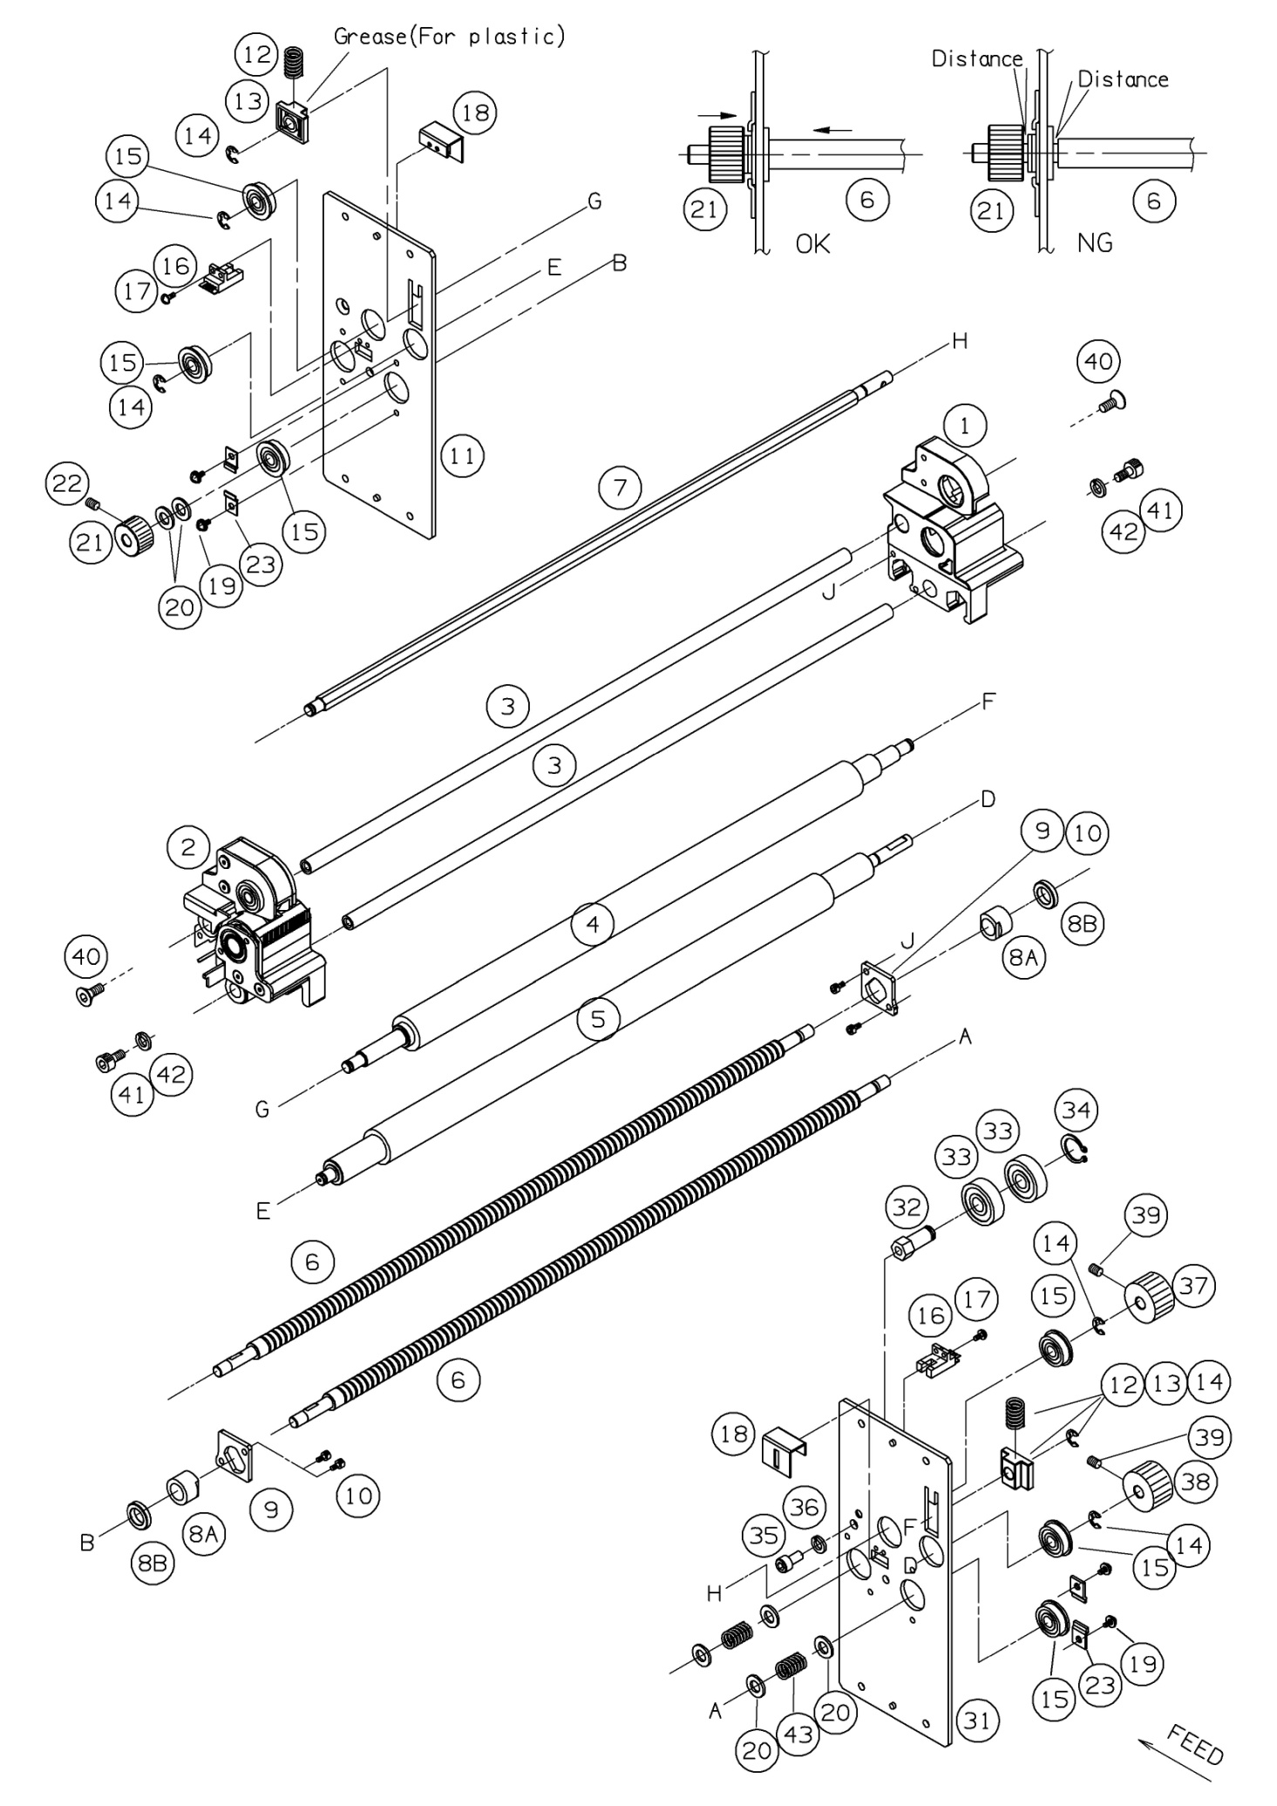
 | Ref. No | Pars No. | Parts name | 適用 | 適用 | Remarks
 |  |  |  | Region | 規格
FALSE | 1 |  | Margin slitter(R)/ Gutter slitter(R)
FALSE | 2 |  | Margin slitter(L)/ Gutter slitter(L)
TRUE | 3 | 7701-0223 | Slitter moving shaft
TRUE | 4 | 7701-0602 | Carrying roller (Soft)
TRUE | 5 | 7701-0601 | Carrying roller (Hard)
TRUE | 6 | 7701-0229 | Slitter moving screw
FALSE | 7 | 7701-0238 | Slitter rotation shaft
FALSE | 8A | 7701-0263 7701-0269 | Slitter moving nut
TRUE | 8B | 7701-0268 | Slitter moving collar
FALSE | 9 | 7701-0264 | Slitter nut fixed plate
FALSE | 10 | 05-903 | Sems screw |  |  | M4x10+SW
TRUE | 11 | 7701-0271 | Slitter unit side plate (L)
FALSE | 12 | 60-198 | Carrying roller spring
FALSE | 13 | 51-592 | Carrying roller slider
FALSE | 14 | 65-412 | Retaining ring-E |  |  | #7
FALSE | 15 | 80-418 | Ball bearing |  |  | FL608ZZ
TRUE | 16 | 72-292 | Slitter origin censor
FALSE | 17 | 05-885 | Sems screw |  |  | M3x10+SW
FALSE | 18 | 7701-0279 | Slitter censor cover
FALSE | 19 | 05-996 | Sems screw |  |  | M4x8+SW+W
FALSE | 20 | 09-427 | Plain washer |  |  | M8
TRUE | 21 | 80-732 (7701-0615) | Slitter moving pulley
FALSE | 22 | 08-357 | Hexagon socket set screw |  |  | M4x6
FALSE | 23 | 7701-0722 | Bearing stopper
FALSE | 31 | 7701-0272 | Slitter unit side plate (R)
FALSE | 32 | 7701-0629 | Idler shaft A
FALSE | 33 | 80-421 | Ball bearing |  |  | 6200ZZ
FALSE | 34 | 65-500 | Retaining Rings-C |  |  | #10
FALSE | 35 | 08-255 | Hexagon socket head cap screw |  |  | M6x12
TRUE | 36 | 09-387 | Spring lock washer |  |  | M6
FALSE | 37 | 80-731 (7701-0614) | Slitter rotation pulley
FALSE | 38 | 80-728 (7701-0611) | Carrying roller pulley
FALSE | 39 | 08-361 | Hexagon socket set screw |  |  | M4x8
FALSE | 40 | 08-507 | Hexagon socket countersunk head screw |  |  | M5x12
FALSE | 41 | 08-242 | Hexagon socket head cap screw |  |  | M5x10
FALSE | 42 | 09-386 | Spring lock washer |  |  | M5
FALSE | 43 | 60-196 | Spring |  |  | φ1.3
 | 1 |  | Margin slitter(R)/ Gutter slitter(R)
 | 2 |  | Margin slitter(L)/ Gutter slitter(L)
 | 3 | 7701-0223 | Slitter moving shaft
 | 4 | 7701-0602 | Carrying roller (Soft)
 | 5 | 7701-0601 | Carrying roller (Hard)
 | 6 | 7701-0229 | Slitter moving screw
 | 7 | 7701-0238 | Slitter rotation shaft
 | 8A | 7701-0263 7701-0269 | Slitter moving nut
 | 8B | 7701-0268 | Slitter moving collar
 | 9 | 7701-0264 | Slitter nut fixed plate
 | 10 | 05-903 | Sems screw |  |  | M4x10+SW
 | 11 | 7701-0271 | Slitter unit side plate (L)
 | 12 | 60-198 | Carrying roller spring
 | 13 | 51-592 | Carrying roller slider
 | 14 | 65-412 | Retaining ring-E |  |  | #7
 | 15 | 80-418 | Ball bearing |  |  | FL608ZZ
 | 16 | 72-292 | Slitter origin censor
 | 17 | 05-885 | Sems screw |  |  | M3x10+SW
 | 18 | 7701-0279 | Slitter censor cover
 | 19 | 05-996 | Sems screw |  |  | M4x8+SW+W
 | 20 | 09-427 | Plain washer |  |  | M8
 | 21 | 80-732 (7701-0615) | Slitter moving pulley
 | 22 | 08-357 | Hexagon socket set screw |  |  | M4x6
 | 23 | 7701-0722 | Bearing stopper
 | 31 | 7701-0272 | Slitter unit side plate (R)
 | 32 | 7701-0629 | Idler shaft A
 | 33 | 80-421 | Ball bearing |  |  | 6200ZZ
 | 34 | 65-500 | Retaining Rings-C |  |  | #10
 | 35 | 08-255 | Hexagon socket head cap screw |  |  | M6x12
 | 36 | 09-387 | Spring lock washer |  |  | M6
 | 37 | 80-731 (7701-0614) | Slitter rotation pulley
 | 38 | 80-728 (7701-0611) | Carrying roller pulley
 | 39 | 08-361 | Hexagon socket set screw |  |  | M4x8
 | 40 | 08-507 | Hexagon socket countersunk head screw |  |  | M5x12
 | 41 | 08-242 | Hexagon socket head cap screw |  |  | M5x10
 | 42 | 09-386 | Spring lock washer |  |  | M5
 | 43 | 60-196 | Spring |  |  | φ1.3

